Sheet1
DOVE COMPANY
Have you ever used Dove soap for your daily skincare routine?
Do you believe Dove soap effectively moisturizes your skin?
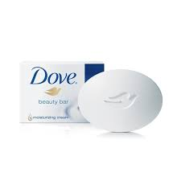
Would you recommend Dove soap to a friend or family member?
Do you think Dove soap is suitable for all skin types?
Have you noticed a positive difference in your skin texture after using Dove soap?
Do you trust Dove as a brand for skincare products?
Would you prefer Dove soap over other brands for sensitive skin?
Do you find the fragrance of Dove soap appealing?
Would you be willing to pay a slightly higher price for Dove soap compared to other brands?
Have you ever switched from another soap brand to Dove? If yes, was it a positive change?
Do you think Dove soap contributes to a more sustainable and eco-friendly beauty routine?
Would you be interested in trying new variants or formulations of Dove soap?
Do you think Dove soap effectively cleanses your skin without over-drying it?
Would you choose Dove soap over other brands based on its cruelty-free and ethical practices?
Do you believe Dove soap lives up to its claims of promoting body positivity?
Have you ever participated in a Dove soap promotional campaign or event?
Would you be interested in personalized skincare recommendations from Dove based on your skin type?
Do you think Dove soap packaging is environmentally friendly?
Would you consider Dove soap as a staple product in your skincare routine?
Do you think Dove soap provides value for money in terms of its quality and effectiveness?

JBL HEADPHONES

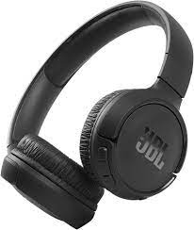

Have you ever owned or used JBL headphones for personal audio listening?
Do you believe JBL headphones deliver high-quality sound and audio performance?
Would you recommend JBL headphones to friends or family members?
Do you think JBL headphones provide comfortable and ergonomic designs for extended use?
Have you noticed a significant difference in audio clarity and bass when using JBL headphones?
Do you trust JBL as a brand for audio and headphone products?
Would you prefer JBL headphones over other brands for their durability and build quality?
Do you find the wireless connectivity features of JBL headphones reliable and convenient?
Would you be willing to pay a premium for JBL headphones compared to other brands?
Have you ever switched from another headphone brand to JBL? If yes, was it a positive change?
Do you think JBL headphones offer a good balance between affordability and audio performance?
Would you be interested in trying new models or features introduced by JBL in their headphones?
Do you believe JBL headphones effectively block external noise for an immersive listening experience?
Would you choose JBL headphones over other brands based on their battery life and charging features?
Do you think JBL headphones are suitable for various activities, such as workouts or travel?
Have you ever participated in a JBL headphones promotional campaign or event?
Would you be interested in customizable features or accessories for your JBL headphones?
Do you think JBL headphones packaging is environmentally friendly?
Would you consider JBL headphones as an essential accessory for your daily activities?
Do you believe JBL headphones provide value for money in terms of their quality and features?

FASTRACK WATCHES

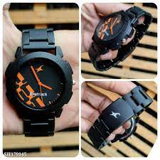

Have you ever owned or worn a Fastrack watch?
Do you believe Fastrack watches offer stylish and trendy designs?
Would you recommend Fastrack watches to friends or family members?
Do you think Fastrack watches provide accurate timekeeping?
Have you noticed a positive difference in the durability of Fastrack watches?
Do you trust Fastrack as a brand for wristwatches and accessories?
Would you prefer Fastrack watches over other brands for their unique designs?
Do you find the pricing of Fastrack watches reasonable for the quality they offer?
Would you be willing to pay a slightly higher price for a limited edition Fastrack watch?
Have you ever switched from another watch brand to Fastrack? If yes, was it a positive change?
Do you think Fastrack watches cater well to different age groups and styles?
Would you be interested in trying new collections or features introduced by Fastrack in their watches?
Do you believe Fastrack watches are water-resistant to a satisfactory level?
Would you choose Fastrack watches over other brands based on their strap materials and comfort?
Do you think Fastrack watches are suitable for both formal and casual occasions?
Have you ever participated in a Fastrack watches promotional campaign or event?
Would you be interested in customizable features or personalization options for your Fastrack watch?
Do you think Fastrack watches packaging is visually appealing?
Would you consider Fastrack watches as a fashionable accessory in your daily wear?
Do you believe Fastrack watches provide value for money in terms of their style and functionality?

SAMSUNG PHONE
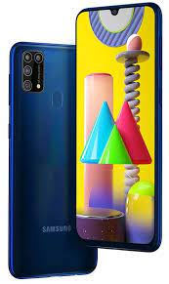

Have you ever owned or used a Samsung smartphone?
Do you believe Samsung smartphones offer advanced and innovative features?
Would you recommend Samsung smartphones to friends or family members?
Do you think Samsung smartphones provide a user-friendly interface and experience?
Have you noticed a positive difference in the camera quality of Samsung smartphones?
Do you trust Samsung as a brand for reliable and durable smartphones?
Would you prefer Samsung smartphones over other brands for their display quality?
Do you find the pricing of Samsung smartphones reasonable for the features they offer?
Would you be willing to pay a premium for the latest flagship Samsung smartphone?
Have you ever switched from another smartphone brand to Samsung? If yes, was it a positive change?
Do you think Samsung smartphones consistently deliver good performance and speed?
Would you be interested in trying new models or features introduced by Samsung in their smartphones?
Do you believe Samsung smartphones provide satisfactory battery life?
Would you choose Samsung smartphones over other brands based on their build quality and durability?
Do you think Samsung smartphones are suitable for both work and entertainment purposes?
Have you ever participated in a Samsung smartphones promotional campaign or event?
Would you be interested in customizable features or accessories for your Samsung smartphone?
Do you think Samsung smartphones packaging is environmentally friendly?
Would you consider Samsung smartphones as an essential device in your daily life?
Do you believe Samsung smartphones provide value for money in terms of their features and performance?

HP LAPTOP
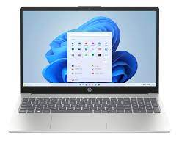

Have you ever owned or used an HP laptop?
Do you believe HP laptops offer reliable and durable hardware?
Would you recommend HP laptops to friends or family members?
Do you think HP laptops provide a satisfactory level of performance for your needs?
Have you noticed a positive difference in the display quality of HP laptops?
Do you trust HP as a brand for laptops and computing devices?
Would you prefer HP laptops over other brands for their design and aesthetics?
Do you find the pricing of HP laptops reasonable for the specifications they offer?
Would you be willing to pay a premium for a high-end HP laptop with advanced features?
Have you ever switched from another laptop brand to HP? If yes, was it a positive change?
Do you think HP laptops consistently deliver good battery life?
Would you be interested in trying new models or features introduced by HP in their laptops?
Do you believe HP laptops provide a user-friendly and intuitive operating system?
Would you choose HP laptops over other brands based on their build quality and durability?
Do you think HP laptops are suitable for both professional and personal use?
Have you ever participated in an HP laptops promotional campaign or event?
Would you be interested in customizable features or accessories for your HP laptop?
Do you think HP laptops packaging is visually appealing?
Would you consider HP laptops as an essential device for your work or studies?
Do you believe HP laptops provide value for money in terms of their features and reliability?

